Sample Timeline
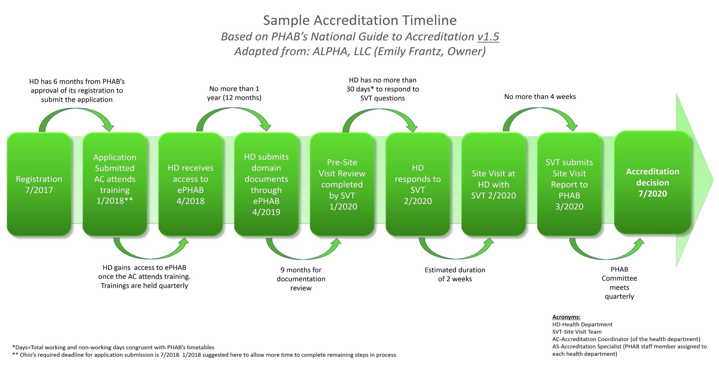

Instructions, Template, template example, sample timelinedfd

